Resulting decision chart v1.2
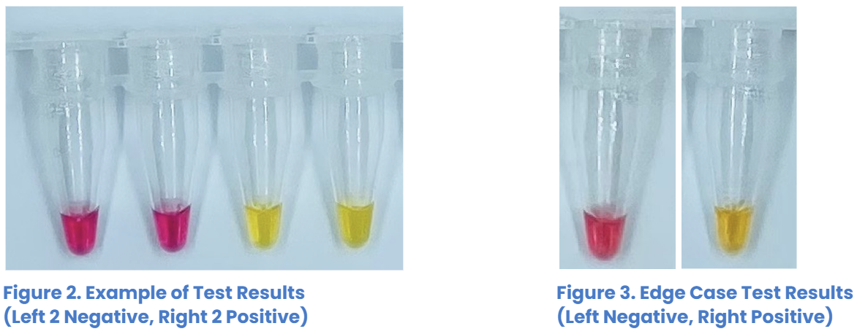
 |  |  |  |  |  |  |  |  |  | Resulting decision chart (single triplicate rerun)
Resulting decision chart (double triplicate rerun) Version 1.2 |  |  |  |  |  |  |  |  |  | Version 1.2
 |  |  |  |  |  |  |  |  |  | Initial test | Decision | First re-run |  |  | Decision
Initial test | Decision | First re-run |  |  | Decision | Second re-run |  |  | Decision | - | final negative
- | final negative |  |  |  |  |  |  |  |  | ? | re-run | - | - | - | final negative
? | re-run | - | - | - | final negative |  |  |  |  |  |  | + | + | + | final positive
 | re-run | + | + | + | final positive |  |  |  |  |  |  | + | + | ? | final positive
 | re-run | + | + | ? | final positive |  |  |  |  |  |  | - | - | ? | final inconclusive
 | re-run | - | - | ? | final negative |  |  |  |  |  |  | + | + | - | final positive
 | re-run | + | + | - | re-run | - | - | - | final negative |  |  | + | - | - | final inconclusive
 |  |  |  |  |  | + | + | + | final positive |  |  | + | ? | ? | final positive
 |  |  |  |  |  | + | + | ? | final positive |  |  | - | ? | ? | final inconclusive
 |  |  |  |  |  | + | + | - | final positive |  |  | + | - | ? | final inconclusive
 |  |  |  |  |  | - | - | ? | final inconclusive |  |  | ? | ? | ? | final inconclusive
 |  |  |  |  |  | + | - | - | final inconclusive | + | re-run | - | - | - | final negative
 |  |  |  |  |  | + | ? | ? | final positive |  |  | + | + | + | final positive
 |  |  |  |  |  | - | ? | ? | final inconclusive |  |  | + | + | ? | final positive
 |  |  |  |  |  | + | - | ? | final inconclusive |  |  | + | + | - | final positive
 |  |  |  |  |  | ? | ? | ? | final inconclusive |  |  | - | - | ? | final inconclusive
 | re-run | + | - | - | re-run | - | - | - | final negative |  |  | + | - | - | final inconclusive
 |  |  |  |  |  | + | + | + | final positive |  |  | + | ? | ? | final positive
 |  |  |  |  |  | + | + | ? | final positive |  |  | - | ? | ? | final inconclusive
 |  |  |  |  |  | + | + | - | final positive |  |  | + | - | ? | final inconclusive
 |  |  |  |  |  | - | - | ? | final negative |  |  | ? | ? | ? | final inconclusive
 |  |  |  |  |  | + | - | - | final inconclusive
 |  |  |  |  |  | + | ? | ? | final inconclusive | Key
 |  |  |  |  |  | - | ? | ? | final inconclusive | - | negative
 |  |  |  |  |  | + | - | ? | final inconclusive | + | positive
 |  |  |  |  |  | ? | ? | ? | final inconclusive | ? | inconclusive
 | re-run | + | ? | ? | final inconclusive
 | re-run | - | ? | ? | final inconclusive
 | re-run | + | - | ? | final inconclusive
 | re-run | ? | ? | ? | final inconclusive
+ | re-run | - | - | - | final negative
 | re-run | + | + | + | final positive
 | re-run | + | + | ? | final positive
 | re-run | + | + | - | final positive
 | re-run | - | - | ? | re-run | - | - | - | final negative
 |  |  |  |  |  | + | + | + | final positive
 |  |  |  |  |  | + | + | ? | final positive
 |  |  |  |  |  | + | + | - | final positive
 |  |  |  |  |  | - | - | ? | final negative
 |  |  |  |  |  | + | - | - | final inconclusive
 |  |  |  |  |  | + | ? | ? | final inconclusive
 |  |  |  |  |  | - | ? | ? | final inconclusive
 |  |  |  |  |  | + | - | ? | final inconclusive
 |  |  |  |  |  | ? | ? | ? | final inconclusive
 | re-run | + | - | - | re-run | - | - | - | final negative
 |  |  |  |  |  | + | + | + | final positive
 |  |  |  |  |  | + | + | ? | final positive
 |  |  |  |  |  | + | + | - | final positive
 |  |  |  |  |  | - | - | ? | final inconclusive
 |  |  |  |  |  | + | - | - | final inconclusive
 |  |  |  |  |  | + | ? | ? | final inconclusive
 |  |  |  |  |  | - | ? | ? | final inconclusive
 |  |  |  |  |  | + | - | ? | final inconclusive
 |  |  |  |  |  | ? | ? | ? | final inconclusive
 | re-run | + | ? | ? | re-run | - | - | - | final negative
 |  |  |  |  |  | + | + | + | final positive
 |  |  |  |  |  | + | + | ? | final positive
 |  |  |  |  |  | + | + | - | final positive
 |  |  |  |  |  | - | - | ? | final negative
 |  |  |  |  |  | + | - | - | final inconclusive
 |  |  |  |  |  | + | ? | ? | final positive
 |  |  |  |  |  | - | ? | ? | final inconclusive
 |  |  |  |  |  | + | - | ? | final inconclusive
 |  |  |  |  |  | ? | ? | ? | final inconclusive
 | re-run | - | ? | ? | re-run | - | - | - | final negative
 |  |  |  |  |  | + | + | + | final positive
 |  |  |  |  |  | + | + | ? | final positive
 |  |  |  |  |  | + | + | - | final positive
 |  |  |  |  |  | - | - | ? | final negative
 |  |  |  |  |  | + | - | - | final inconclusive
 |  |  |  |  |  | + | ? | ? | final inconclusive
 |  |  |  |  |  | - | ? | ? | final inconclusive
 |  |  |  |  |  | + | - | ? | final inconclusive
 |  |  |  |  |  | ? | ? | ? | final inconclusive
 | re-run | + | - | ? | re-run | - | - | - | final negative
 |  |  |  |  |  | + | + | + | final positive
 |  |  |  |  |  | + | + | ? | final positive
 |  |  |  |  |  | + | + | - | final positive
 |  |  |  |  |  | - | - | ? | final inconclusive
 |  |  |  |  |  | + | - | - | final inconclusive
 |  |  |  |  |  | + | ? | ? | final inconclusive
 |  |  |  |  |  | - | ? | ? | final inconclusive
 |  |  |  |  |  | + | - | ? | final inconclusive
 |  |  |  |  |  | ? | ? | ? | final inconclusive
 | re-run | ? | ? | ? | re-run | - | - | - | final negative
 |  |  |  |  |  | + | + | + | final positive
 |  |  |  |  |  | + | + | ? | final positive
 |  |  |  |  |  | + | + | - | final positive
 |  |  |  |  |  | - | - | ? | final inconclusive
 |  |  |  |  |  | + | - | - | final inconclusive
 |  |  |  |  |  | + | ? | ? | final positive
 |  |  |  |  |  | - | ? | ? | final inconclusive
 |  |  |  |  |  | + | - | ? | final inconclusive
 |  |  |  |  |  | ? | ? | ? | final inconclusive

Key
- | negative
+ | positive
? | inconclusive

